Instructions
Payroll Change Transfer Request Instructions
Introduction: PCRF's are designed to transfer payroll expenses from one speedtype to another speedtype.

Please note: This form is designed to be "inclusive". All information in regards to this transaction can be contained within the various tabs of this workbook.

Step 1 | Complete the Payroll Change Request Form.
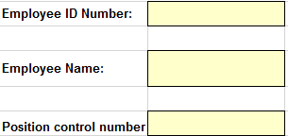
 | Enter Employee's ID number

 | Enter Employee's Name

 | Enter the Position Control Number - Each PCN must have a separate form.

 | Use the Yes/No dropdown options in the yellow area of the Payroll Change Request Form, to answer the following questions:

 | Does this request involve a sponsored program speedtype? | If you answer yes, you will need to complete the Cost Transfer Justification Form (see step 2 below).
 | Have you verified there is budget to process the below change? | There must be an adequate amount of uncommitted balance available to cover this expense on the receiving speedtype.
 | Have all departments involved approved this transaction? | If the speedtypes involved are from multiple departments, you must obtain email approval to use those speedtypes.
 | Have you provided funding information for the entire current Fiscal Year? | Fiscal year is from July 1 to June 30. The funding must span the entire period of time.
 | Have you attached the current Pay-107 University Report? | Export University Report Pay-107 on the Pay-107 tab of the workbook.

 | Entering "SET" information
 | A "SET" reflects the requested funding during a specific amount of time. Each instance where funding sources begin or end will require a new SET.
 | A total of 4 Sets is provided on the form. If additional sets are required, please insert additional rows into the sheet and copy as needed.
 | For additional explanation on calculating SETS, please see the PCRF example, located on the EXAMPLE PCRF tab of this workbook.

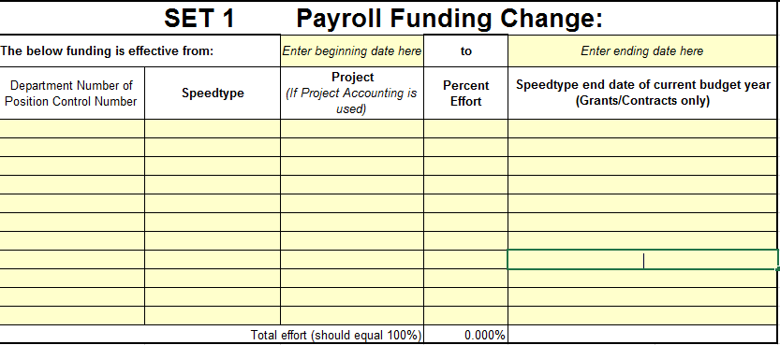
 | For each SET

 | Enter the beginning and ending date

 | Enter the department number who owns the Position Control Number

 | Enter the speedtype

 | If project accounting is used on the speedtype, enter the project

 | Enter the percent effort for this speedtype

 | Enter the ending date of the grant or contract. As programs end June 30, there is no need to enter that information.

 | Ensure that the total effort equals 100%

 | Enter any comments or special instructions here:

 | The Gray section of the PCRF is for Shared Services Use Only | This area will provide the processing information involved within this request.

Step 2 | Does this Payroll Change Request Form involve a Sponsored Program Financial Administration speedtype?
 | Sponsored Program Financial Administration speedtypes are grants or contracts and will typically begin with GB, IC, IB, EB, CB or CN, etc.

 | If your answer is yes, you will need to complete the Cost Transfer Justification Form (located on the CTJF tab of this workbook) on transfers involving grants.
 | Please note: this form is included in this workbook as a convenience for the end user. SPFA will still require a "wet" signature from the Prinicipal Investigator of the grant. Once the form has been signed by the PI, it can be scanned and included within this workbook on a separate tab.
 | A) Answer all 4 questions on the Cost Transfer Justification Form.
 | B) The PI of the grant speedtype must sign and date the form.
 | C) When the form has been completed, continue to Step 3 below
 | If your answer is no, continue to Step 3.

Step 3 | Are the expenses over 90 days old?
 | If yes, the transfer must be approved by the Dean or the Dean's designee. Continue to Step 4 Below

 | If no, Skip to Step 5 below

Step 4 | Email the Payroll Change Request Form, and corresponding documentation to the Dean or Dean's designee.
 | Note:
 | A) If the Dean or Dean's Designee approves the transfer, and it involves a grant, they will forward to SPFA for approval.
 | B) If the Dean or Dean's Designee approves the transfer and it does not involve a grant, they will forward to hscssfin@louisville.edu for processing
 | C) If the Dean or Dean's Designee denies the transfer, it is returned to the Departmental.

Step 5 | E-mail the Payroll Change Request Form along with required documents (i.e., document package) to hscssfin@louisville.edu.

 | Once the Payroll Change Request Form has been processed, SSF will notify the department

Flowchart
